Sheet1
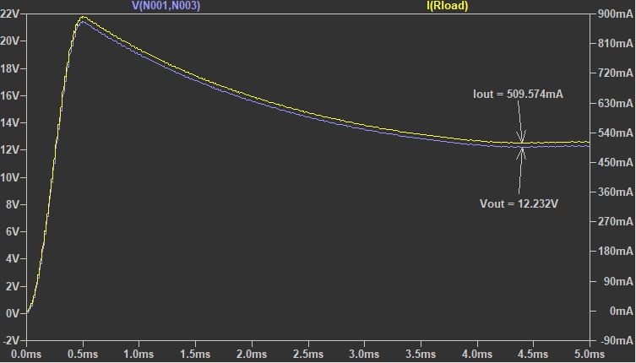
How to design a Critical Conduction Mode (CRM) Flyback Converter:
Given:
 | Vin | 50 | V
 | fsw | 50 | kHz | T | 20 | us
 | D | 0.5 |  | Ton | 10 | us
 | Vout | 12 | V
 | Iout | 0.5 | A

Find:
 | Lpri | _____ | mH
 | Turn Ratio | _____

Assumption:
 | Efficiency | 100 | %

$$Pin=Pout=Vout×Iout$$
I. Solution:
1. Calculate input power based on following equation:
 | Pin | 6 | W
$$Iave= \frac{Pin}{Vin}$$
$$Iave= \frac{1}{T}×\int_{0}^{T}{I×dt= \frac{Area}{T}=0.5×Ipk×D}$$
$$Ipk= \frac{Iave}{0.5×D}$$
2. Calculate input average current Iave based on following equation:
 | Iave | 0.12 | A
3. Calculate primary peak current Ipk based on following equation:
 | Ipk | 0.48 | A

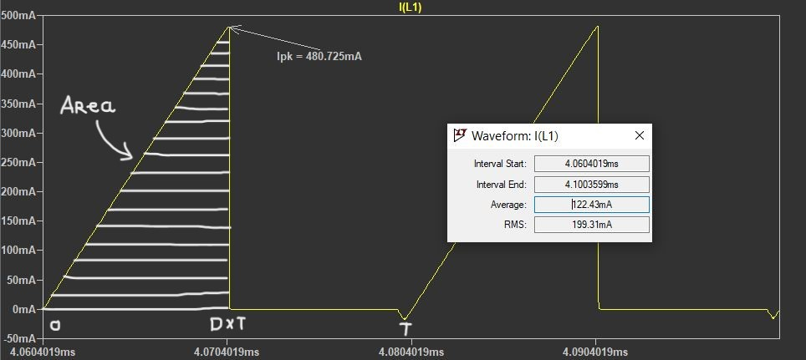

$$VL=L×\frac{dI}{dt}$$
$$L=VL×\frac{dt}{dI}=VL×\frac{Ton}{Ipk}$$
4. Calculate primary inductance Lpri based on following equation:
 | Lpri | 1.04 | mH

$$Turn Ratio= \frac{Vin}{Vout}$$
5. Calculate turn ratio for flyback transformer based on following equation:
 | Turn Ratio | 4.167

II. Images from LTspice:
1.Schematic:
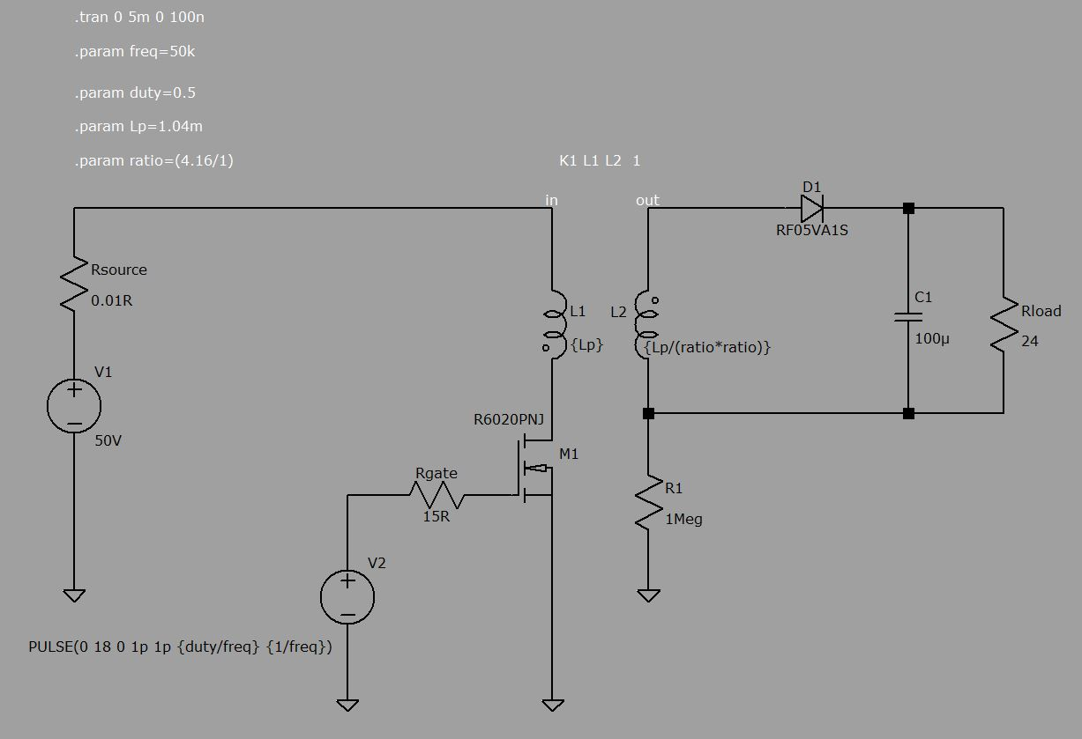

2.Waveform:

